Regression 2
SUMMARY OUTPUT

Regression Statistics
Multiple R | 0.8978645
R Square | 0.80616066
Adjusted R Square | 0.78379458
Standard Error | 0.45853454
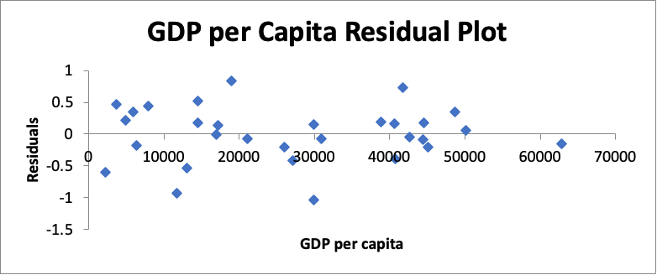
Observations | 30

ANOVA
 | df | SS | MS | F | Significance F
Regression | 3 | 22.7351143 | 7.57837143 | 36.0439002 | 2.07E-09
Residual | 26 | 5.46660201 | 0.21025392
Total | 29 | 28.2017163

 | Coefficients | Standard Error | t Stat | P-value | Lower 95% | Upper 95% | Lower 95.0% | Upper 95.0%
Intercept | 1.55412254 | 0.9592273 | 1.62018173 | 0.11726043 | -0.4175974 | 3.5258425 | -0.4175974 | 3.5258425
GDP per capita | 2.01E-05 | 8.26E-06 | 2.43115468 | 0.02224982 | 3.10E-06 | 3.71E-05 | 3.10E-06 | 3.71E-05
Social support | 5.2481474 | 1.20988178 | 4.33773572 | 0.00019291 | 2.76119979 | 7.735095 | 2.76119979 | 7.735095
Perceptions of corruption | -0.852977 | 0.55020106 | -1.5503005 | 0.13315757 | -1.9839315 | 0.2779775 | -1.9839315 | 0.2779775

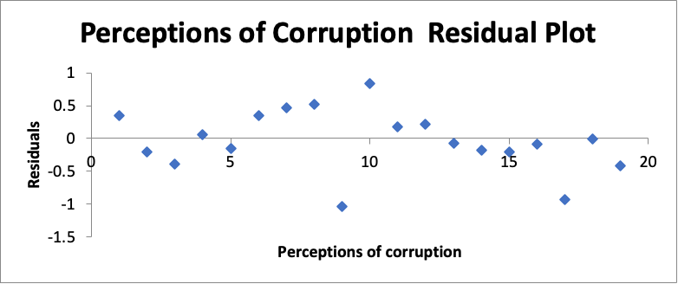
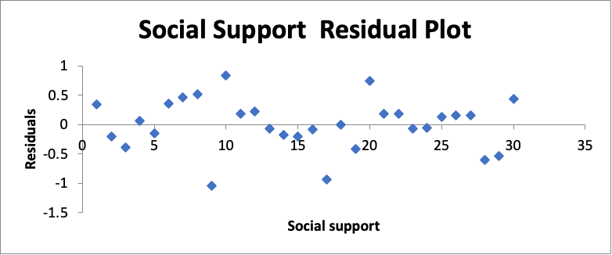

RESIDUAL OUTPUT

Observation | Predicted Happiness Index | Residuals
1 | 7.46088631 | 0.34311369
2 | 6.34737338 | -0.2033734
3 | 6.51871624 | -0.3897162
4 | 7.0381422 | 0.0568578
5 | 7.05122761 | -0.1572276
6 | 3.93247473 | 0.34952527
7 | 4.50707236 | 0.46592764
8 | 5.60332908 | 0.52167092
9 | 5.65467084 | -1.0406708
10 | 5.4990985 | 0.8309015
11 | 6.61261658 | 0.18338342
12 | 4.75896516 | 0.22203484
13 | 6.19955316 | -0.0745532
14 | 4.21266669 | -0.1766667
15 | 6.67157741 | -0.2085774
16 | 6.74434005 | -0.08334
17 | 5.10437611 | -0.9343761
18 | 5.82732715 | -0.0093272
19 | 6.08202687 | -0.4210269
20 | 6.7369699 | 0.7360301
21 | 5.4486319 | 0.1813681
22 | 6.57592786 | 0.18707214
23 | 5.97720606 | -0.0752061
24 | 7.17657313 | -0.0535731
25 | 5.70978294 | 0.13321706
26 | 5.97055265 | 0.15944735
27 | 6.1076242 | 0.1573758
28 | 5.0351916 | -0.6031916
29 | 5.80712285 | -0.5321229
30 | 5.24897648 | 0.43502352

Regression and Residual Plots
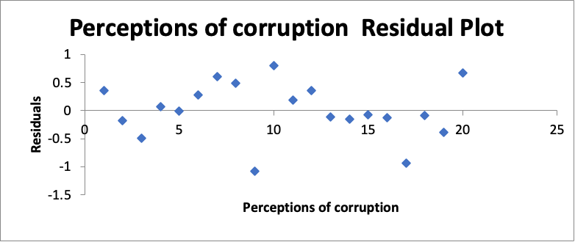
SUMMARY OUTPUT

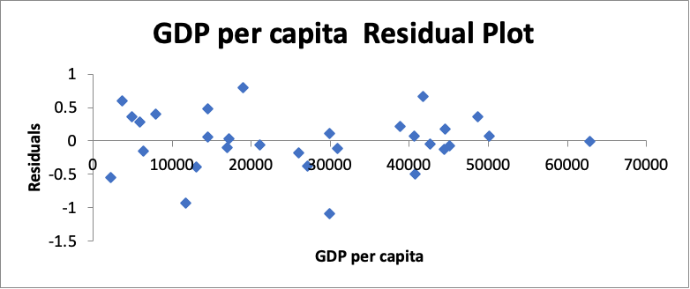
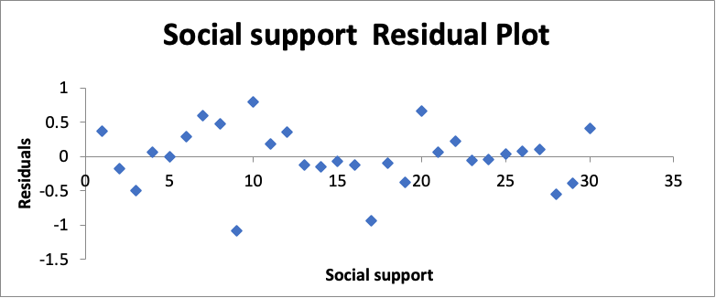
Regression Statistics
Multiple R | 0.90134416
R Square | 0.8124213
Adjusted R Square | 0.78240871
Standard Error | 0.46000179
Observations | 30

ANOVA
 | df | SS | MS | F | Significance F
Regression | 4 | 22.911675 | 5.72791876 | 27.0693483 | 9.17E-09
Residual | 25 | 5.29004126 | 0.21160165
Total | 29 | 28.2017163
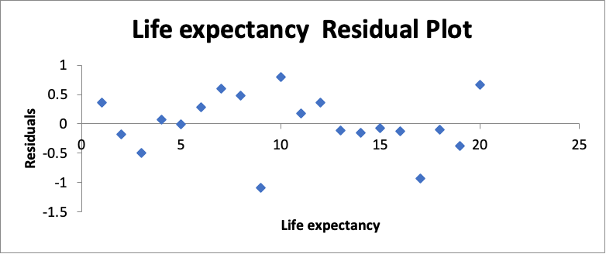
 | Coefficients | Standard Error | t Stat | P-value | Lower 95% | Upper 95% | Lower 95.0% | Upper 95.0%
Intercept | 0.27741343 | 1.69690723 | 0.16348179 | 0.87145354 | -3.2174324 | 3.77225929 | -3.2174324 | 3.77225929
GDP per capita | 1.59E-05 | 9.44E-06 | 1.6886403 | 0.10372522 | -3.50E-06 | 3.54E-05 | -3.50E-06 | 3.54E-05
Social support | 5.19415082 | 1.21519185 | 4.27434633 | 0.00024428 | 2.69141636 | 7.69688528 | 2.69141636 | 7.69688528
Life expectancy | 0.02115179 | 0.02315578 | 0.91345586 | 0.36972873 | -0.0265384 | 0.06884202 | -0.0265384 | 0.06884202
Perceptions of corruption | -0.8008844 | 0.55489985 | -1.4432954 | 0.16135179 | -1.943722 | 0.34195325 | -1.943722 | 0.34195325

RESIDUAL OUTPUT

Observation | Predicted Happiness Index | Residuals
1 | 7.44198349 | 0.36201651
2 | 6.3252624 | -0.1812624
3 | 6.62581202 | -0.496812
4 | 7.02944454 | 0.06555546
5 | 6.89905084 | -0.0050508
6 | 3.99835696 | 0.28364304
7 | 4.37485354 | 0.59814646
8 | 5.6432642 | 0.4817358
9 | 5.69936658 | -1.0853666
10 | 5.53239304 | 0.79760696
11 | 6.6151834 | 0.1808166
12 | 4.62017148 | 0.36082852
13 | 6.24444542 | -0.1194454
14 | 4.19256323 | -0.1565632
15 | 6.54058999 | -0.07759
16 | 6.7888186 | -0.1278186
17 | 5.10287757 | -0.9328776
18 | 5.91203349 | -0.0940335
19 | 6.04462805 | -0.3836281
20 | 6.80507094 | 0.66792906
21 | 5.57033381 | 0.05966619
22 | 6.5405363 | 0.2224637
23 | 5.95723674 | -0.0552367
24 | 7.17084913 | -0.0478491
25 | 5.80689886 | 0.03610114
26 | 6.05757112 | 0.07242888
27 | 6.15780871 | 0.10719129
28 | 4.98200994 | -0.5500099
29 | 5.66313066 | -0.3881307
30 | 5.27845495 | 0.40554505

